Sheet2
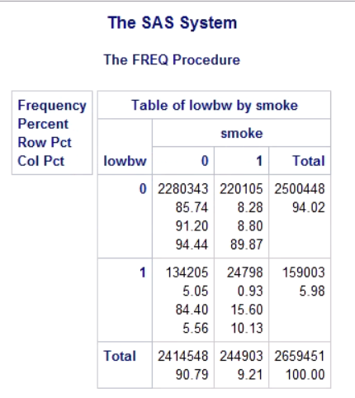
 |  | Smoke
 | Low BW | 1 | 0
 | 1 | 24798 | 134205 | 159003
 | 0 | 220105 | 2280343 | 2500448
 |  | 244903 | 2414548 | 2659451

 | 0.15595932152 | 0.84404067848 |  | 0.059787903594
 | 0.059787903594 |  |  | 0.94021209641

Proportion of neonates born among mothers who preorted smoking and those who did not
overall proportion of neonates with low birthweight

Sheet3
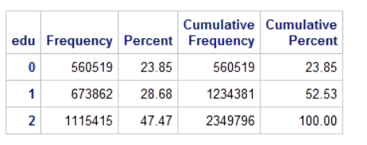
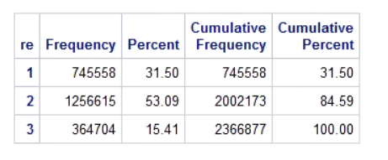
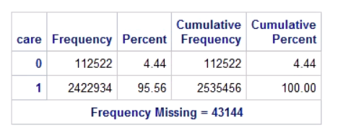
Birth weight | high | 0.94021209641
 | low | 0.059787903594
Prematurity | > 37 gestation weeks | 0.8114
 | <= 37 weeks | 0.1886
Prenatal care began | 1 or 2 | 0.9556
 | 3 or none | 0.444
Neonates sex | Female | 0.4886
 | Male | 0.5114
Neonate R/E | Non H White | 0.315
 | Non H Black | 0.5309
 | Hispanic | 0.1541
Mothers Edu | < HS | 0.2385
 | High School | 0.2868
 | > High School | 0.4747
Mother Smoked | Yes | 0.0971
 | No | 0.9029

